SEM_Log
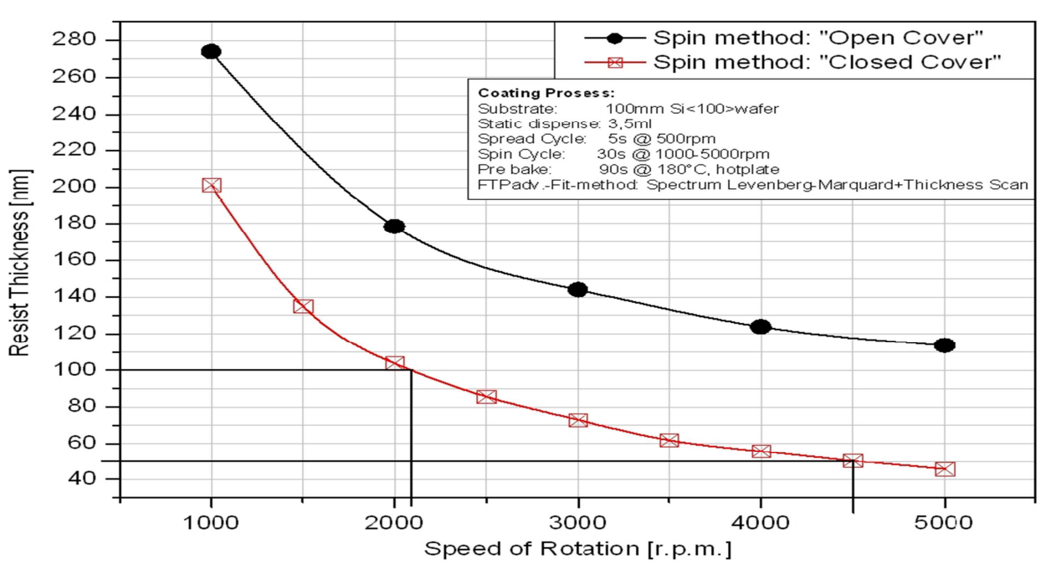
Date: 04 Jan 2022
PMMA (RPM) | nm | PMGI (RPM) | nm
2100 | 146 | 4000 | 135 | PMMA
2500 | 238 | 4500 | 169
3000 | 86 | 5000 | 81
3500 | 16 | 5500 | 79
4000 | 61 | 6000 | 480
4500 | 190 | 6500 | 362
5000 | 27
5500 | 191
6000 | 264
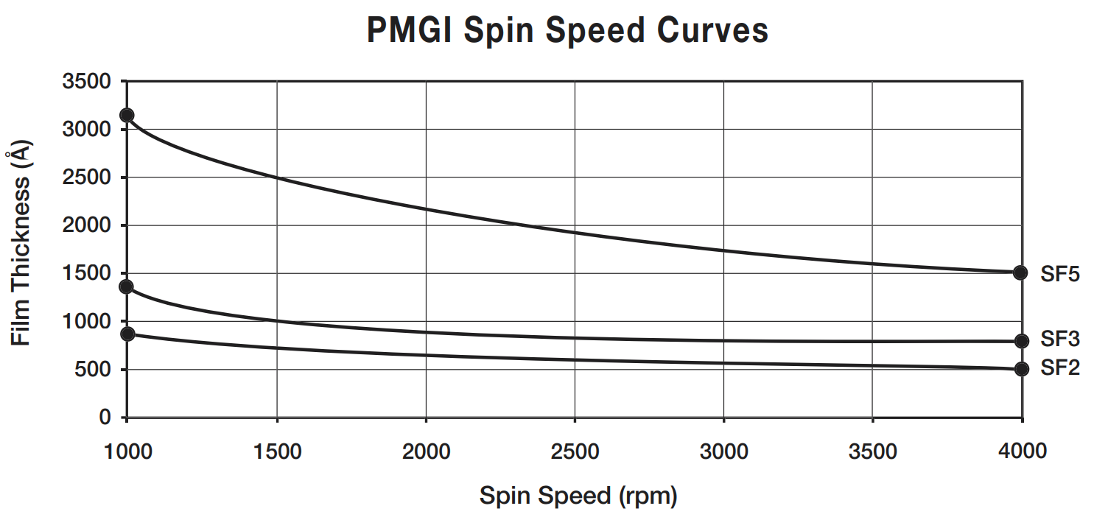
6500 | 283

 |  |  |  | PMGI_SF2

Make the sample holder ready
Prepare the sample before the time
Date: 28 Dec 2021
PMMA | nm | PMGI | nm
2100 |  | 4500 | 250
2500 | 29 | 5500 | 173
3000 | 460 | 6500 | 65.58
3500 | 278
4000
4500 | 50
5000 | 50
6000 | 38

Date: 21 Dec. 2021
PMMA | nm | PMGI | nm
4500 |  | 4500
4600 | 9 | 5000 | 5
4700 | 9 | 6000 | 10
4800 | 13
4900
5000 | 7

Liftoff process for all the samples
Calibrating the amount of resist, so that it will cover at corner of sample
Clean the wafer
dehydrate the sample w.r.t resist
Try to place the sample exactly at middle
PMMA | nm | PMGI | nm
4500 | 120 | 4500
4600 |  | 5000
4700
4800
4900
5000 | 50
Make 4-5 sample for calibration_PMGI

PMMA | nm | PMGI | nm | PMMA | nm | PMGI |  | nm
4500 | 126 | 4500 | 390 | 2100 | 61 | 6000 | @45sec | 268
5000 | 69 | 5000 | 215 | 2500 | 24 | 7000 | @45sec | 17
1800 | 128 | PMGI_50nm(5000)/PMMA_50nm(5000) | 365 | 3000 | 13.9 | 8000 | @45sec | 308
2100 | 89.9 |  |  | 3500 | 32
2500 | 188 |  |  | 4000 | 168
3000 | 254 |  |  | 4500 | 52
 |  |  |  | 5000 | 21
 |  |  |  | 5500 | 73
 |  |  |  | 6000 | 34

Observation
1. Not following hyperbolic curve
Reasons behind, on not following hyperbolic curve
1. May have used different quantity of liquid
2. Sample placed in the SEM chamber
Make sure that the corners are populated by liquid

